Document Validator
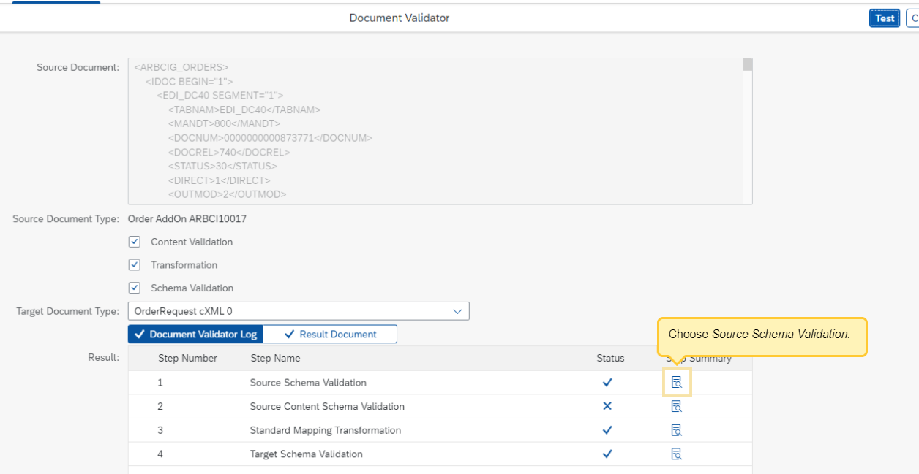
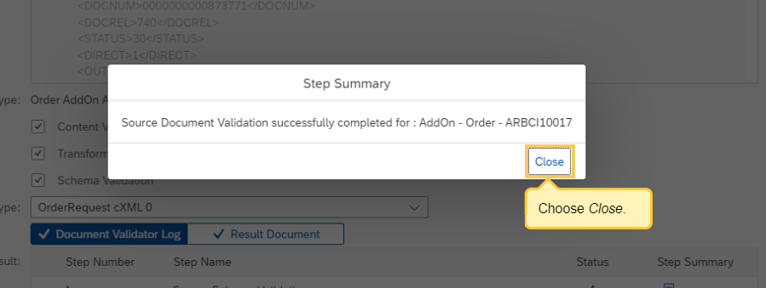
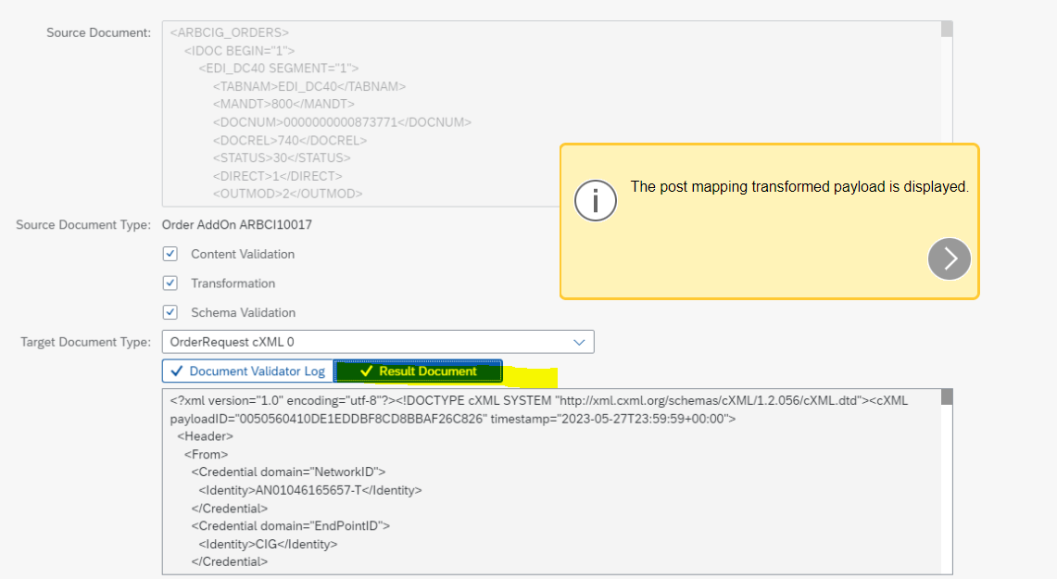
1 | Using the Document Validator

 | The Document Validator is a tool that helps you validate the document transformation and ensure that it is satisfying the requirements of the target system before actually sending the documents to the target system. With the Document Validator, you can validate the schema and the content of the source document, test the mapping transformation, and verify the results.

 | The following options are offered with the Document Validator:
 | Content Validation: Identifies the document type and validates the content of the source payload.
 | Transformation: Transforms the source document to the target document type using the standard and available custom mappings.
 | Schema Validation: Validates the post-transformation payload according to the target system’s schema requirements.

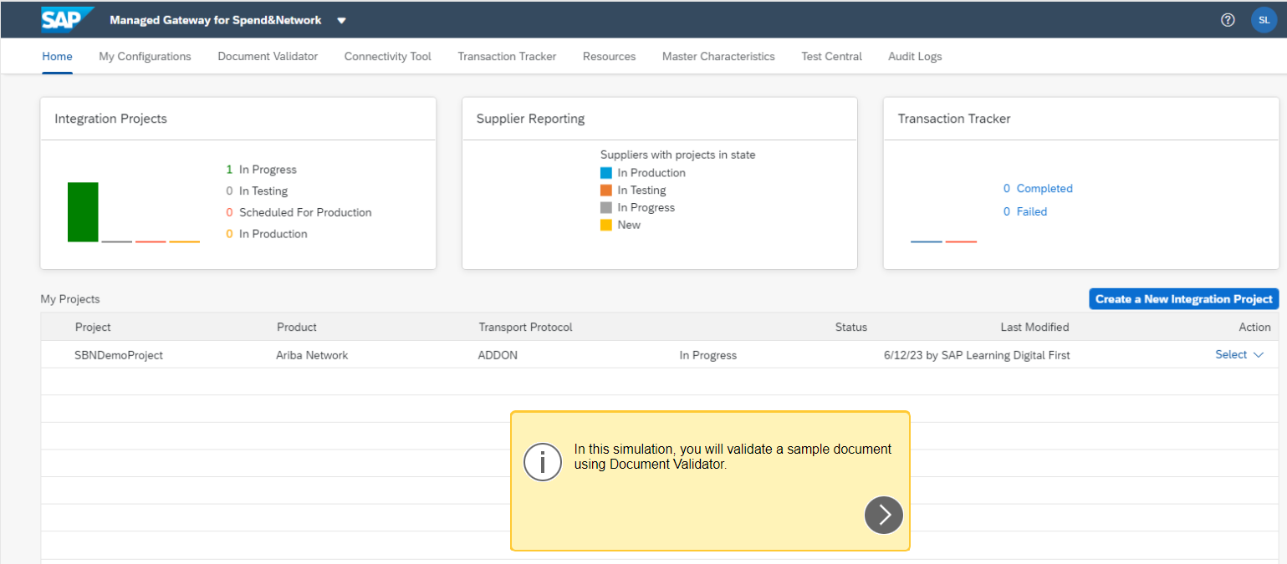

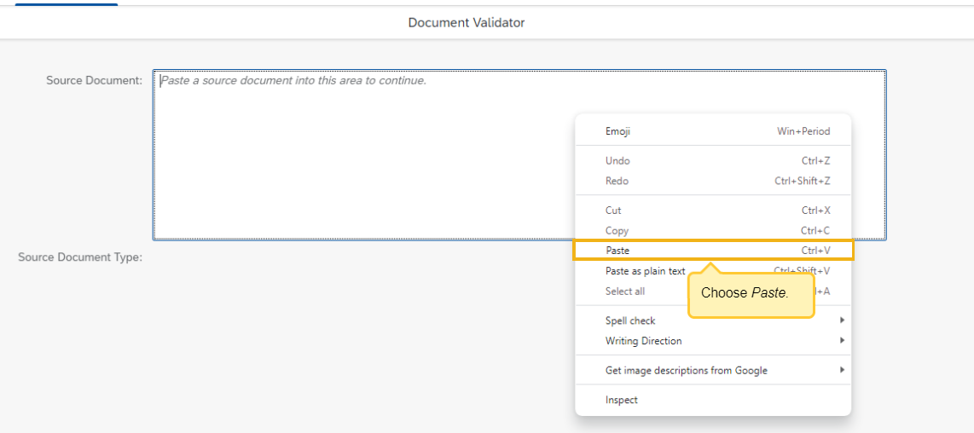

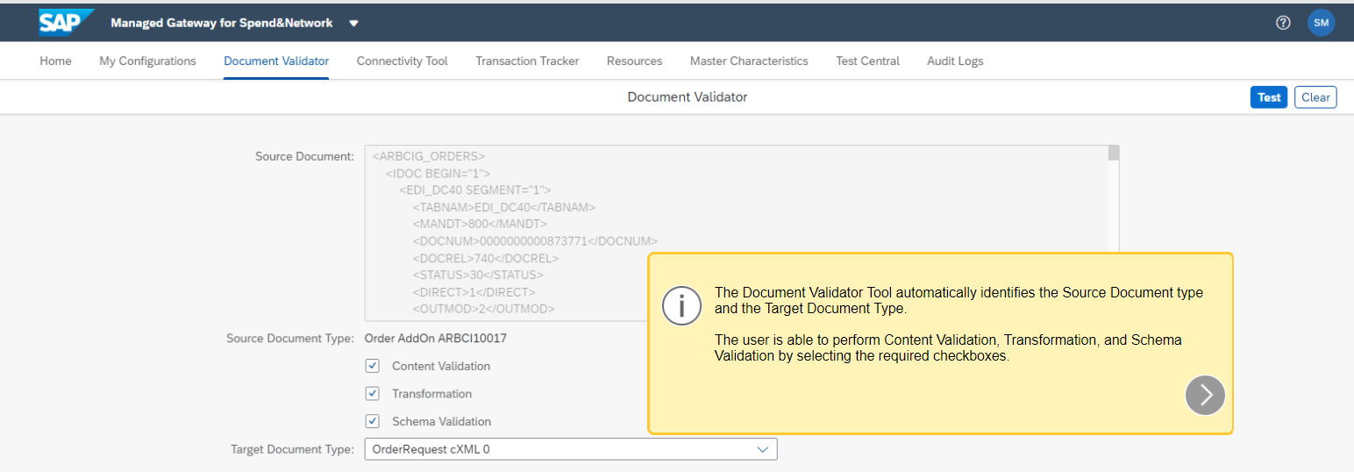

 | Choose TEST

Connectivity Tool
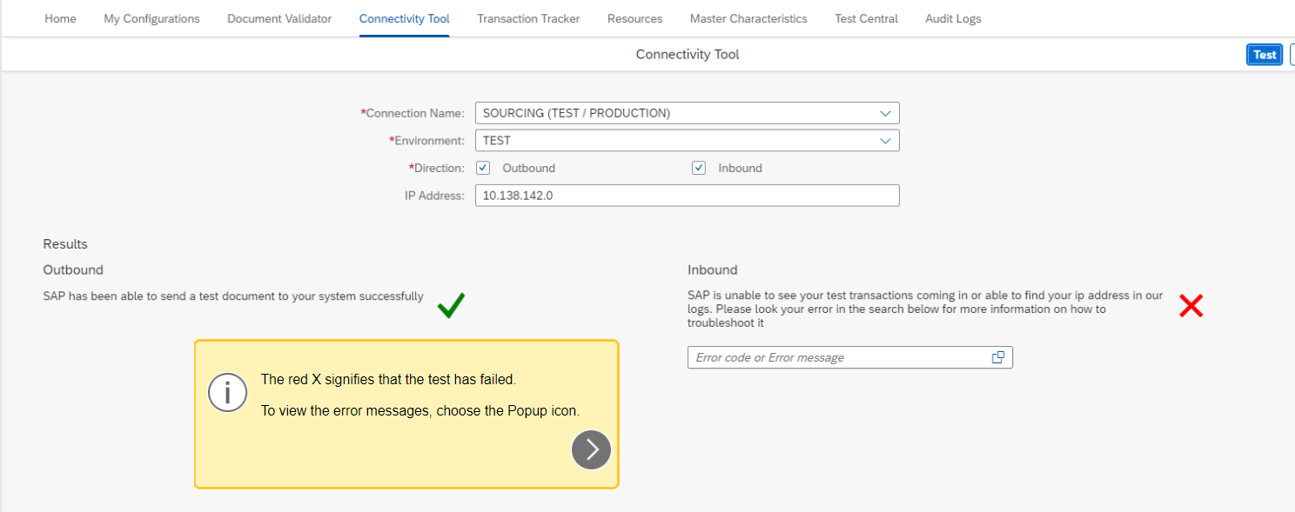
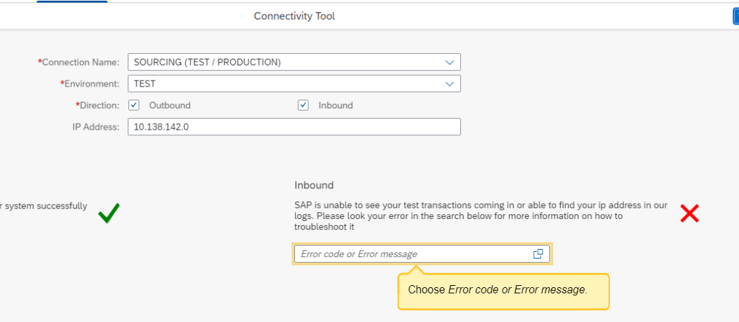
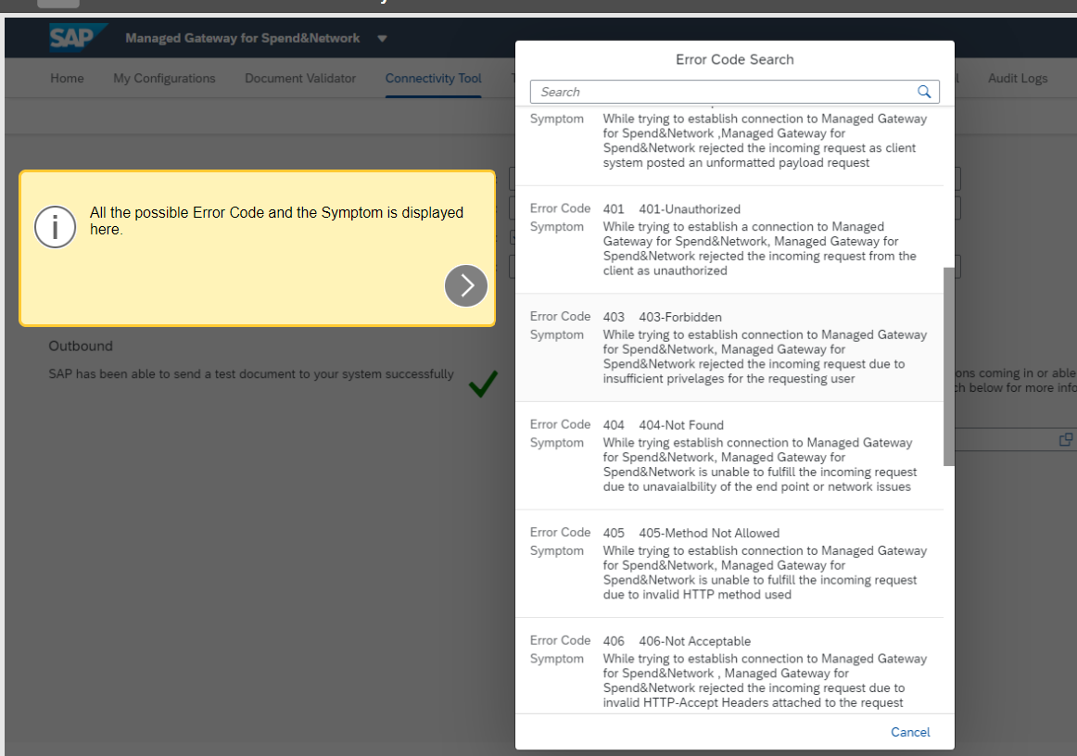
2 | Using the Connectivity Tool

 | With the Connectivity Tool, you can test the connectivity inbound and outbound to the managed gateway with your back end SAP system.
 | The outbound option is to test connectivity from the managed gateway to your back end system
 | The inbound option is to test connectivity from your back end system to the managed gateway by providing the IP Address of the back end system.
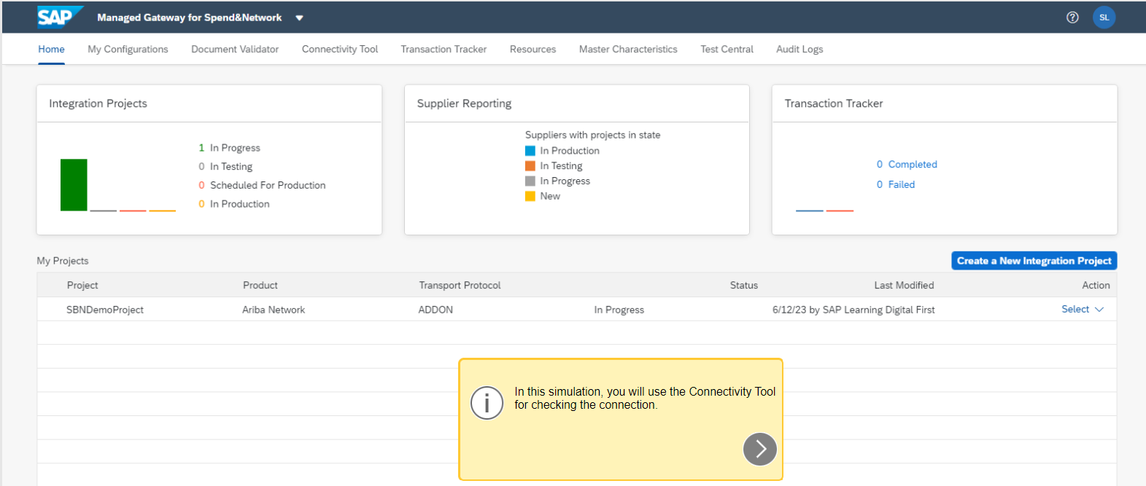

 | Choose Connectivity Tool

 | Click TEST

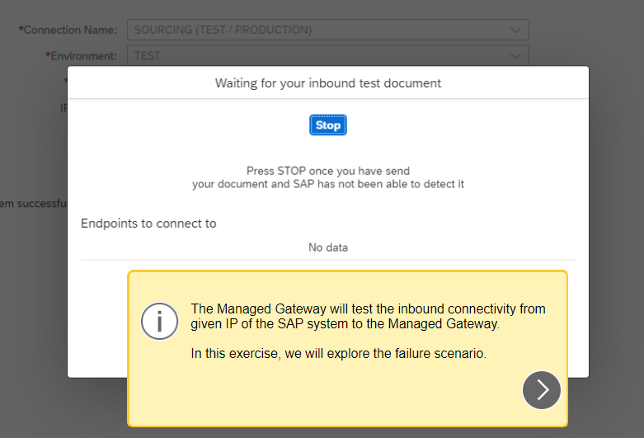

 | Choose Stop

